Internal Feedback
1st Version, Feb 7
Item | Description | Decision | 2nd Version: 0.2.1
1 | 1. default view, when no keyword, show all avialable categories on the left. | Decided not to add categories. Add historical search record | Category added.
2 | 2. search bar to support more than 1 keyword, seperate keyword by ; or , or + | use + for multiple; | Not seem to work
3 | 3. how to tag (order)which spec to be used as filters, columns in main window (about 4-7 filters); the rest only in details. | Mark to provide this info. | N/A
4 | 4. main window, allow sort by columns name | will be added into Beta. | NOT seem to work
5 | 5. filters area, apply filter when a options is selected, don't hide other options. change apply filter to clear all filters. add clear filter on top of each filter. | Remove Apply Filter; show filtered results as soon as the option is selected. | Apply filter has been removed. Consider add clear filter
6 | 6. part detail window, some value is too long, may need auto newline. | Auto adjust width | Complete
7 | 7. make filter area, main area & details area width adjustable. | the same as 6; | Complete
8 | 8. when create new bom, let user to name the bom. | will be added into Beta | Complete when right click
9 | 9. main window, after select a part, the line expand with more spec and a add to bom buttom, QTY pre-set as 1. | right click to add BOM; qty. pre-set as 1; | Complete
10 | 10. top right, create bom with given name, select bom | Hold; | N/A
11 | 11. bom window as sepereate window, detach from the main window | Hold; | N/A
12 | 12. warning before close program, promote saving bom before close. | Will be added into Beta; prompting user to save BOM | Complete
13 | 13. when the BOM info will be saved? | Change Update BOM to Save BOM | Complete
14 | 14. BOM window doesn't need the search bar | will be removed in Beta | Complete
15 | 15. BOM area, don't show bom name, instead, at the top of the bom area, show bom name | will be changed in Beta | Complete
16 | 16. duplicate part indicator won't disappear | will be fixed in Beta | Not fixed; SP4SS -> SP6SS
17 | 17. to delete & add part in bom | will be added into Beta | Complete
18 | 18. in bom area, columns are item number, qty, part number, manufacture, description, note | will be added into Beta | Complete
19 | 19. future feature: allow use to order the columns. | Future. | Future
20 | 20. in bom area, when invalid input used, there is a error message from database. Although the invalid info show on bom in the software, the excel file has the previous value. for example, when type "-" in qty column. | will be changed in Beta | "-" seems to show as "0"
21 | 21. description in csv file as shown in multiple columns | will generate exel file | Complete
22 | 22. bom area width can be changed | will be changed in Beta | Not changed
23 | 23. future feature: BOM revision | Future | Future
24 | 24. 0 qty error message disappear after switching boms | will be fixed in Beta | Complete
25 | 25. allow user sort item manually, | will be added into Beta | Complete
26 | 26. when part number doesn't exist, allow user to change description | will be added into Beta | Not working; Manufacturer and Description creates databse error
27 | 27. when export csv file, add time stamp to file name | will be added into Beta
28 | 28. when copy note in the bom, the entire column's info is copied. only the note is needed. | RIGHT CLICK COPY, AND THEN PASTE | Complete Control C then Control V doesn't work
 | Notes
 | 1) 2 categories
 | 2) 200 data each category
 | 3) identify filters
2nd Version, Feb 21
Item | Description | Decision
1 | Enclosure Filter, Materials, 304, 316L doesn't work | bug; will be fixed in next version | ??
2 | When a category is selected, unrelated filters should be removed and only relavent filters will apply. | Hold; | It seems this function has been implemented.
3 | CUL and cUL are the same thing. Data should be cleaned up. - Data Team | N/A; Randy will take care of this | N/A
4 | Dimensions should be sorted: smaller numbers are before the bigger ones. | bug; will be fixed in next version | Not fixed; This applies to all numbers, including current, voltage, etc.
5 | For dimensions, can the customer set a range: min: and max:? | Will be added into next version | Enclosure's dimension doesn't work
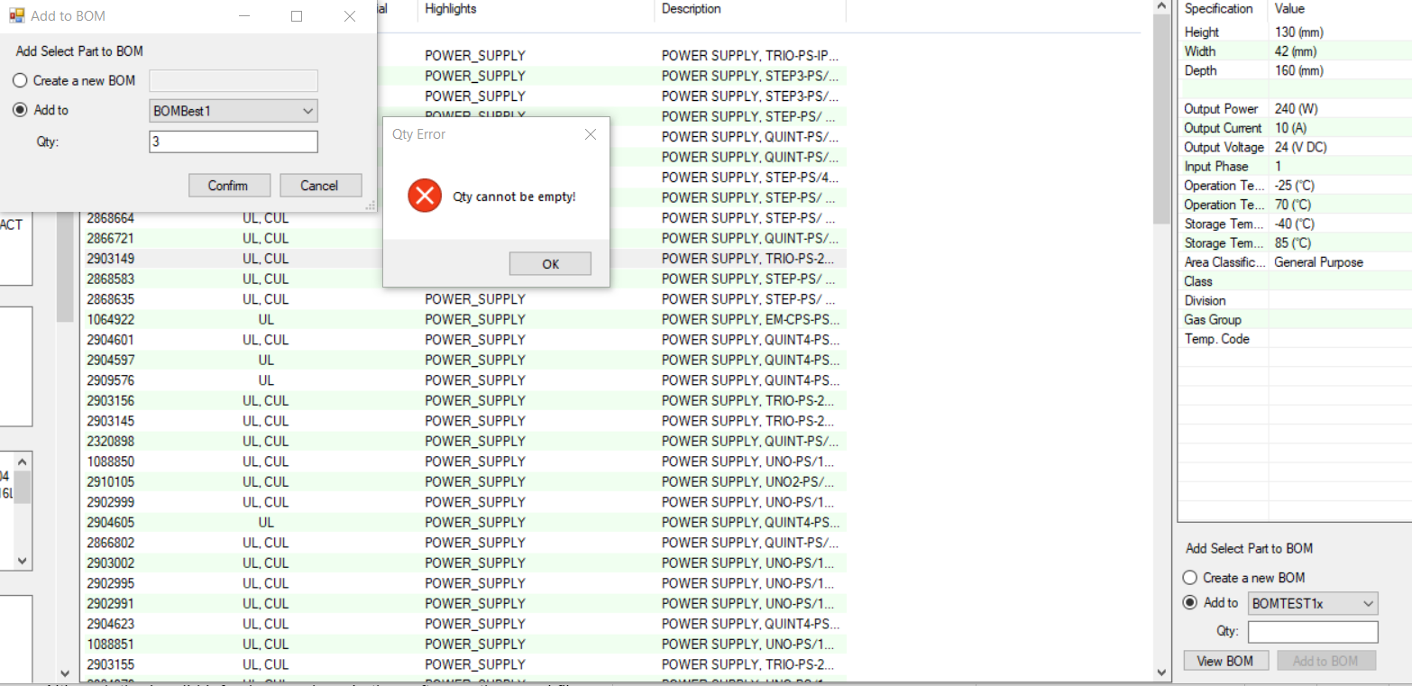
6 | Need clear all button for filters. The Clean button does clear the filter selections. Is it better to add a Clear all button on top of the filters. | Show filters on top and add Clear All button to remove all filters | Not seeing Clear all button
7 | After unselect a filter, it automatically gets back to the top of the filter, which in some cases it is not desirable. | to think about; two options/designs | This behavior is not changed in the new revision
8 | Multiple search doesn't seem to work; Power su; enter, get power power supply | only UI is complete; search isn't done yet | Doesn't seem to work; e.g., Enclosure NEMA 4
9 | Category on the left might need to be removed. | will be removed in next version | Category is not removed.
10 | Create new BOM button doesn't seem to work | will be fixed in next version | Fixed. Create a new BOM works!
11 | Qty. cannot be empty error bug; see snapshot | will be fixed in next version | Fixed. Error symbol shows error and clears itself when qty. is not zero.
12 | BOM title bug; see snapshot | will be fixed in next version | Not fixed. See image below
 | Multiple search can be selected by setting button, as an option | will be in next version | Button is added but doesn't seem to function as expected
 | show maximum 1000 items on the main page. | will be in next version | Works. Only 1000 is shown
 | BOM window to update | will be in next version | BOM window still require tweak.
 | Link to pdf file can access web link | will be in next version | web link is still to be added.
 | Preview has all the info; list view has the most critical info; some info in the filter may not be shown in the list view | will be in next version | Done. The preview looks great in this newer version.
 | show qty. of parts listed | will be in next version | Done.
 | Only search bar when it is open | will be in next version | Done.

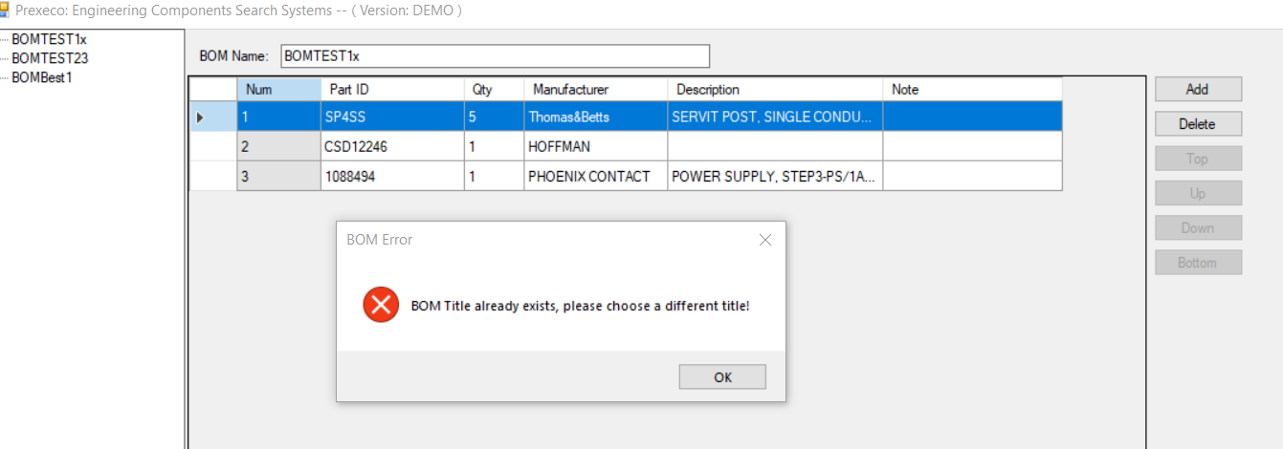
Feedback on Demo-10 Version, March 25
1 | Enclosure Certificate, C-UL should be the same as cUL. Mark has corrected the data in the database. Use cUL for all.
2 | Enclosure, dimension sliding bar doesn't show what is selected | Bug; will be fixed in next version
3 | Enclosure dimension unit: can we have inch and mm? Most people use inch in Canada when selecting enclosure dimensions | add imperial unit display
4 | Enclosure material is no longer a filter in this revision. | Will be added
5 | Categories and search bar seems to not work together. | and relationship, not or; no action required
6 | When a category is selected, unrelated filters should be removed and only relavent filters will apply. | Accomplished; no action required
7 | When no result is found, cannot clear filters or go back to the filter options (some filters dispeared). Push button: Nema 4, Div 2, No guards, CSA; Or Push button: no special mushroom head Pubsh Button key word seems missing | Reverse select support
8 | Power supply nominal voltage doesn't seem to work | power supply input voltage: sliding bar format
9 | Setting: Always on top doesn't seem to work well; the small window can hide behind the bigger window | bug; will be fixed in next version
10 | Setting: multiple search key words doesn't work well. e.g., Enclosure, Hoffman doesn't show; | bug; will be fixed in next version
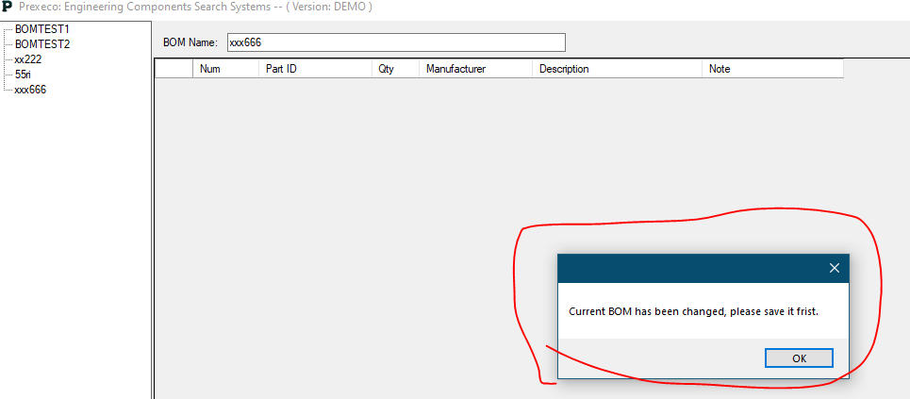
11 | Current BOM has been changed, please save it first error requires forced exist of the software. This happens when people add qty. 0 part into the system | Hold
12 | It seems every time when I re-start the application, the previous BOM will disappear (i.e., not saved) | bug; will be fixed in next version
13 | BOM windown: 1st Column: Item No. 2nd column: Qty. 3rd Column: Part No. 4th Column: Manufacturer 5th Column: Description 6th Column: Note
14 | Heater cannot be found: 400 watts, T4, Hazardous Location | bug; will be fixed in next version
15 | It seems it takes longer time to export to Excel file; see snapshot below; also the exported file name seems to be generated by the system | Export file name will be the BOM name.
16 | General comments: the filter function needs to be tested more for sure. Some filters might need to be set up properly so it can actually filter the right parts. All items unber item 16 below are related to filter function testing results. | Mark will test more
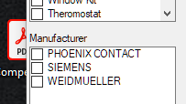
16-1 | Manufacturer Weidmuller spelled wrong
16-2 | Power supply output current SHOULD NOT have 0A OUTPUT option
16-3 | For power supply category, sort the output voltage and current in order
16-4 | For power supply category, part #1111634 and 1065976 are certificated by cULUs but those are blank in the software
16-5
16-6
17 | Demo Video / Software need to go through the following steps | Fixed in (version 0.5.5)
17-1-1 | Search bar: enclosure
17-1-2 | Mounting: wall mount
17-1-3 | NEMA: 4X
17-1-4 | Material: Stainless Steel 316L
17-1-5 | Height: 914 mm or 36"
17-1-6 | Width: 914 mm or 36"
17-1-7 | Depth: 305 mm or 12"
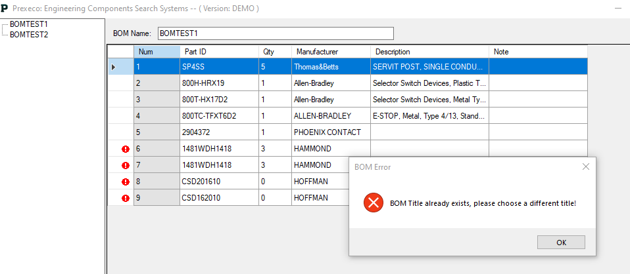
17-1-9 | The results should be a few; select CSD363612SS6R
17-1-10 | Add it to a New BOM: PN001
Issues | Not all filters are shown; dimension sliding bar to be fixed per discussion. Didn't test all functions
17-2-1 | Search bar: window kit | Fixed in (version 0.5.5)
17-2-2 | NEMA: 4X
17-2-3 | Material: Stainless Steel 316L
17-2-4 | Type: Hinged
17-2-5 | Height Viewing Area: 254 mm or 10"
17-2-6 | Width Viewing Area: 375 mm or 14.7"
17-2-7 | Result: 1481WSSDH1624
17-2-8 | Add it to a the BOM: PN001
Issues | 1) Search bar window kit: it shows no results.
17-3-1 | Search bar: Power Supply | Fixed in (version 0.5.5)
17-3-2 | Manufacturer: Phoenix Contact
17-3-3 | Output voltage: 24 VDC
17-3-4 | Output current: 40 A
17-3-5 | Norminal Voltage: 120 VAC
17-3-6 | Result: 5 results: select 2904603
17-3-7 | Add it to the BOM
Issues | 1) Filter Normal Voltage shall be corrected to Norminal Voltage 2) Filter Normal Voltage should be a sliding bar as the data base shows a range | fixed in 0.5.10
 | 3) The sliding bar is added; however, it doesn't seem to work when I use it; for instance, when I narrow it down to 110 to 130, it doesn't show results.
17-4-1 | Search bar: Pilot Light (Search doesn't seem to work) | Fixed in (version 0.5.5)
17-4-2 | NEMA: 4X
17-4-3 | Fingersafe Guard: Guards on Terminal
17-4-4 | Power Module: Full voltage|Unversal
17-4-5 | Lamp Test Options: Push-to-test
17-4-6 | Illumination Option: LED
17-4-7 | Voltage Type: Universal-LED
17-4-8 | Voltage: 12…130V AC/DC
17-4-9 | Lens Color: Green
17-4-10 | Contact: 1 N.O. - 1 N.C.
17-4-11 | Contact Block Type: Standard
17-4-12 | Result: 800HC-QRTH2G
17-4-13 | Add it to the BOM
Issues | 1) It shows error when Filter Voltage: 12...130V AC/DC is selected. see snapshot on the right.
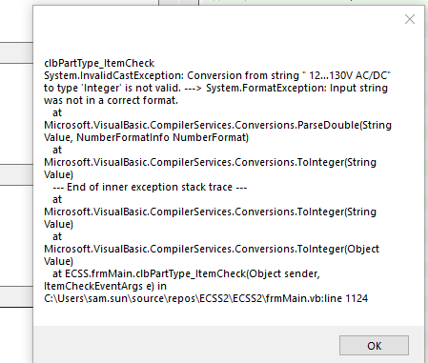
17-5-1 | Search bar: Selector switch | Fixed in (version 0.5.5)
17-5-2 | NEMA: 4X
17-5-3 | Fingersafe Guard: Guards on Terminal
17-5-4 | Operator Type: Standard Knob
17-5-5 | Operator Function: Maintained
17-5-6 | Color: White
17-5-7 | Contact Block Type: Standard
17-5-8 | Contact: 2 N.O. - 2 N.C.
17-5-9 | Result: 800HC-HR2B
17-5-10 | Add it to the BOM
Issues | 2) Filter "Function" shall be changed to "Operator Function" to make it more specific and clear | Fixed.
Issues | 3) Add to BOM: can the system remember the last BOM; for instance I added all of these parts to PN001, but everytime when I add a part, I have to click to choose PN001 from the list; can we make PN001 as default. | 2) fixed in 0.5.10 3) is futrue feature , not bug. Will include in next big version release
17-6-1 | Search bar: E-stop
17-6-2 | NEMA: 4X
17-6-3 | Fingersafe Guard: Guards on Terminal
17-6-4 | Head Type: Jumbo (60 mm) mushroom head
17-6-5 | Contact Block Type: Standard
17-6-6 | Contact: 1 N.O. - 1 N.C.
17-6-7 | Result: 800HC-TFRXJT6A
17-6-8 | Add it to the BOM
Issues | No issues
17-7-1 | Search bar: Pushbutton | Fixed in (version 0.5.5)
17-7-2 | NEMA: 4X
17-7-3 | Fingersafe Guard: Guards on Terminal
17-7-4 | Operator Type: Flush Head
17-7-5 | Color Cap: Green
17-7-6 | Contact Block Type: Standard
17-7-7 | Contact: 1 N.O. - 1 N.C.
17-7-8 | Result: 800HC-AR1A
17-7-9 | Add it to the BOM
Issues | 1) search Keyword should be pushbutton, not push botton. Please note Pushbutton is one word, no space. | Fixed in (version 0.5.10)
Issues | 2) "push button" become the key word now but not prompted in search bar. "pushbotton" is the prompt.
Issues | 3) Contacts filter: there is one 1N0 - 1NC. It should be O, not 0 (zero). Might be caused by data file. There is two 2 N.O.
17-8-1 | Search bar: Heater
17-8-2 | Area Classification: General Purpose
17-8-3 | Power: 800 Watts
17-8-4 | Rated Voltage: 120 VAC | Heater does not have this column
17-8-5 | Result: DAH8001B
17-8-6 | Add it to the BOM
Issues | 1) after select "General Purpose", it shows no results 2) Maximum rated voltage and Minimum rated voltage shall be replaced by one filter: Norminal Voltage; it could be a sliding bar, that customer can give a range of norminal voltage; or it can be a number that the customer can type in, such as 120VAC; or it can be a few options that we will provide and customer can choose (120VAC, 208VAC, 277VAC, 347 VAC, 480 VAC, 600 VAC, 24VDC, 48 VDC, 12 VDC, etc);
17-9-1 | Search bar: Thermostat | Fixed in (version 0.5.5)
17-9-2 | Function: Heating
17-9-3 | 2 Results and select SKT011409NC-C
17-9-4 | Add it to the BOM
Issues | 2) Filter "Class" should be changed to "Area Classification"; Currently, when select Class: General Purpose, it shows no result | fixed in 0.5.10
Issues | 3) Class has been changed to Area Classification, however, when select General Purpose, it still shows no results

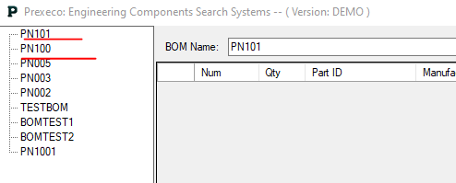
 | For 0.5.10
18-1-1 | Can we maximize the main window? Currently the maximize button is grey. I want to maximize it because I need to see as many filters as possible. | Fix
18-1-2 | Export to excel file format 1) Item No. 2) Qty. 3) Part No. 4) Manufacturer 5) Description 6) Note | Fix
18-1-3 | Text Format is not consistent; e.g., Allen-Bradley vs ALLEN-BRADLEY | Data
18-1-4 | Sometimes, the BOM button doesn't show after a part has been added to the BOM; the BOM button shows only after the second part is added to the BOM. Kind of strange.
18-1-5 | How can we delete the BOM, e.g., PN101 | add delete BOM button
18-1-6 | it took about 2 mins to generate excel file; can we shorten it by generating a txt file?

19-1-1 | For the list view, how about we just display the following? (1) Part No. (2) Certificates (3) Manufacturer (the current format works) (4) Description I propose to remove materials because not all categories will have materials. I propose to remove Hightlights, because Hightlights are just duplication of the details window | Need more discussion

 | General issues - Mark, Andy, Runda, Aditya, Linda
20-0-1 | After create a new BOM, the new BOM become the last BOM on the lists (both selection list and BOM list); can we change it to the first one on both lists? Also, the Add to default should be the latest BOM created; now it seems to be the last BOM created. | Fix
20-0-2 | general - The software starts up in a small narrow window (don't know if this is intended). You can expand the window by dragging but it's hard to know that you can. Sometimes the user may want to see the available categories/filters before beginning search. Suggestion: Start up with bigger default window size
20-0-3 | general - After pressing "clean" the window goes back to the default window size. User may want the window size to not change.
20-0-4 | general - Minor detail but maybe "Clear" instead of "Clean"? | agree, fixed
20-0-5 | general - Typo: "Multipal" | https://gyazo.com/99cf57c5042ce19713146a7ba17063ab | fixed
20-0-6 | BOM - Maybe allow the creation of new boms be independent from adding new parts to bom
20-0-7 | The options in the "Settings" button don't work as there is no way to apply them. Maybe putting an "Apply" button would work. | https://gyazo.com/0e40c79cfa48c57715513ed1a65fce67 | agree, fixed
20-0-8 | General filter - If the user were to choose filter options that return no part results, the filter shows filter options that doesn't pertain to the category (perhaps it displays all the filter options across all categories that matches the parameter name). Notice how "manufacturer" and "certificates" changes | https://gyazo.com/54435b1915c32b880d7afcf9e2f019e0 | good catch, fixed
20-0-9 | General filter - After changing a filter option, the filter view goes back to the top | https://gyazo.com/b18f4031d714af9f7a1b6eaa8e761397 | add last filter trace
20-0-10 | Duplicate part putting in the BOM, possible to add to the quantity. such as add one part two times, in the BOM can show Quantity 2, or | https://gyazo.com/b8ab3e38a04515a79053a304292f7d2b
20-0-11 | Filter: may be showing the quantity for the each option

 | Note: April 16, Mark Li 1) Black Text is for Sam 2) Blue Text is for Data Team

 | Heater - Mark, April 16
20-1-0 | The following have been tested and passed - Filter: Manufacturer, Certificates, Rated Voltage, Power, Area Classification, Temp. Code
 | The following didn't pass the test
20-2-0 | Filter Order: Power (W), Rated Voltage (V AC), Area Classification, Class, Gas Group, Temp. Code, Built-In Thermostat, Built-In Fan
20-2-1 | Filter, Class, Class I, Div 1 doesn't work; it shows no results when selected. |  | fixed
20-2-2 | Filter, Class, CLASS I, DIV 1|CLASS II, DIV 1 doesn't work; it shows no result when selected |  | fixed
20-2-3 | Filter, Gas Group, both filters under Gas Group don't work; it shows no result when selected |  | fixed
20-2-4 | Filter, Rated Voltage, The unit should be V AC (currently the unit is V) |  | fixed
20-2-5 | Filter, Built-in Thermostat: both options don't work; it shows no result when selected |  | fixed
20-2-6 | Filter, Built-in Fan: both options don't work; it shows no result when selected |  | fixed
20-2-7 | Filter, Area Classification, both options don't work; it shows no result when selected |  | Cannot reproduce
20-2-8 | Heater, there is no description [Data file require update] Description format: HEATER, POWER, VOLTAGE RANGE E.g., HEATER, 100 WATTS, 115 V AC E.g., HEATER, 100 WATTS, 110 - 240 V AC All description shall be capital letter; Intertec heaters description should be changed
20-2-9 | List View: "Link" should be changed to "Web Link"; "Datasheet" provide the same info as Web Link and it should be removed. |  | fixed
20-2-10 | When the following parameters are N/A in Data file, the list view shows "0"; we should change "0" to "N/A" - Height, Width, Depth - Weight |  | fixed
20-2-11 | "Built-In Thermostat" and "Built-In Fan" are used in filter, but in List View, the "-" was dropped and "Built In Thermstat" and "Built In Fan" are used. Make them consistent. "Built-In" should be used. |  | fixed
20-2-12 | The paramters for Built-In Thermostat and Built-In Fan, should be Yes or No. Intertec heaters are showing "0" for both paramters |  | fixed
20-2-12 | When paramters in List view is N/A in datasheet, N/A should be used; for SK3105.330, the Temp. Code, Class, Gas Groups are showing as blank. They should be N/A.
 | Temperature Switch - Mark, April 16 - Complete
 | The following have been tested and passed - Filters: Certificates CSA; Rated Voltage Maximum V, 277; functions Cooling/Heating; Rated Current; Switch on temperaure; switch off temperaure
21-1-0 | The following have been tested and passed - Filters: Certificates CSA; Rated Voltage Maximum V, 277; functions Cooling/Heating
21-1-1 | Category: When temperature switch is selected, no parts are shown. | csa + temp switch | Cannot reproduce
21-1-2 | Manufacturer: when INTERTEC is selected, it shows the same error again, see snapshot on the right |  | Cannot reproduce
21-1-3 | It seems Temperature switch has key words Thermostat which confuses the filter collection. | Data Issue
21-1-4 | Key word: Thermostat, select Termperature switch in Category, the filter for the temperature switch changes to
21-1-5 | Filter: Switch on Temperature and Switch off Temperature: please add unit (oC) |  | fixed
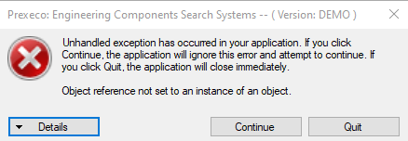
21-1-6 | List View: Swith_Temp_On should be Switch On Temperature so it is consistent with filter Switch_Temp_OFF should be Switch Off Temperature so it is consistent with filter |  | fixed
21-1-7 | List View: Ajustable: should be "No" |  | fixed
21-1-8 | List View: Gas Group: Should be A|B|C|D; Data file has been updated

22-1-0 | Thermostat - Mark, April 16 - Complete
22-1-0 | The following have been tested and passed - Categories (Thermostat), Rated Voltage Maxium, Functions, Rated Current (A)
22-1-1 | Filter, Manufacturer, Hammond or Rittal or Hoffman, show errors; see snapshot on the right: Unhandled exception ...; after clicking Continue, it actually still works.
 | Filter, Certificates, when some option is selected, it shows the same error; see snapshot on the right: Unhandled exception ...; after clicking Continue, it actually still works.
22-1-2 | Filter, Manufacturer, There are only three manufacturers for Thermostat, Hammond or Rittal or Hoffman. However, under this filter, it seems to be all manufacturers are listed here. May need to revisit the purpose of Manufacturers
22-1-4 | Filter, Certificates, it seems to be all certificates options are listed here. May need to revisit the purpose of this filter
22-1-5 | Filter, Area Classification, General Purpose doesn't work; it shows no result when selected
22-1-6 | List View, If the Operation Temperature Min and Max is N/A in data file, the it should show as "N/A", instead of "0". Class, Gas Group and Temp. Code should be "N/A" insteaed of "blank"
22-1-7 | List view, "Monut" is a typo and should be changed to "Mounting" |  | Fix
22-1-8 | List view, Ajust Min and Adjust Max should show unit "oC" (celsius) |  | Fix

30-1-0 | Enclosure - Andy - Complete
 | The following have been tested and passed
30-1-0 | Filtering ability of filters: Categories (Enclosure), Manufacturer, Certificates, Material, Height, Width, Depth, Mount, NEMA
 | Issues
30-2-0 | C-UL and cUL should mean the same thing. In the future there should be a standard for naming across all categories. Use cUL | cULus; cUL; cCSAus; CSAus;
30-2-2 | In the Height, Width, and Depth filter it is possible to drag one end of the range past the other. i.e. the lower bound past the upper bound and vice versa. | https://gyazo.com/390f53d84bc214f18d00b774d475b28f | Fixed
30-2-3 | If the category is searched in the search bar, i.e. "Enclosure". The search does not reflect in the filter view. Maybe have the category in the filter ticked for clarity after searching for a category in the search bar. | https://gyazo.com/ab69e253a5cee4aaa6d781b1084326c2
30-2-4 | excel database error: "and 12", "4 12". FIXED IN EXCEL DATABASE | https://gyazo.com/d7b354a69f17b94595c25810179ce688
30-2-5 | Would be nice to have the ability to type the range for height, width, depth, etc. For whatever reason, if the user wants an exact range, 600 mm - 1200 mm is not possible to get that by dragging the filter as it skips over numbers |  | Could put into TODO list
30-2-6 | Typo: "Categaries" | https://gyazo.com/3f6a756fc18130c838465b42828674cb | Fixed
30-2-7 | In the list view, maybe make it more obvious that values can be copied to clipboard. Currently only the copy keyboard shortcut works. Maybe make it also right-clickable | https://gyazo.com/f273a1b66aa4fc3e5c04beb7dafd7341 | Could put into TODO list
30-2-8 | Mount dimensions show no units | https://gyazo.com/f273a1b66aa4fc3e5c04beb7dafd7341 | Fixed
30-2-9 | Some parts may have 1 or more alias names. Searching these using names does not work | https://gyazo.com/7876a58a3ca045b993b683a35cd50169 | fixed
30-2-10 | After defining the range for height, width and depth the mm updates but inches goes back to what it was before | https://gyazo.com/f3162491073b00640b02d1be6939519a | fixed
31-1-0 | Window Kit - Andy - Complete
 | The following have been tested and passed
31-1-0 | Filtering ability of filters: Categories (Window Kit), Manufacturer, certificates, material, NEMA, color, types
 | Issues
31-2-0 | Same issue as 30-2-9 for the part numbers
31-2-1 | For parameters with "N/A" in excel sheet, list view displays them as 0. In the example weight is 0 (also applies for cutout height, cutout width, etc) | https://gyazo.com/cb2d78e91b4a43fb13ab46e021189a67 | Need discuss the display standard
31-2-2 | Not sure if intended but vewing area filter are selections, not range | https://gyazo.com/36d1d8c6e8bac990b328789f4709a835 | Not Bug

 | Power Supply - Mark - Complete
40-1-0 | The following have been tested and passed - Search bar; Category: Power supply; Manufacturer: All three; Output Voltage: all options; Output Current: most options tested;
40-1-1 | Power supply certificates are a nightmare; data needs to be cleaned up; Some parts without Canadian or US certificates can be eliminated; Data has been cleaned up | Fixed
40-1-2 | Input Phase: there is option 2; there is no 2 phases in electrical. Data has been fixed. | Fixed
40-1-3 | There is no description; Description Format should be: POWER SUPPLY, Output Power, Output Voltage, Norminal Voltage Range e.g., POWER SUPPLY, 72 W, OUTPUT 24 V DC, 3A, INPUT 100-240 V AC.
40-1-4 | Filter: Area Classification should be added; | Fixed
40-1-5 | Filter: Operation Temperature range sliding bar shall be added | Fixed
40-1-6 | Filter: Normal Voltage shall be corrected to Norminal Voltage (V AC) | fixed
40-1-7 | Filter: Norminal Voltage doesn't seem to work when I use it; for instance, when I narrow it down to 110 to 130, it doesn't show results. | 110 to 130 , data does not exist
40-1-8 | List View: Division: this info is already in Class so it can be removed from the List View.
40-1-8 | List View: there should be no blank; all N/A in database shall be shown as N/A

41-1-0 | Pilot Lights - Linda-Complete
 | Search bar, filter, BOM, excel Test
41-1-1 | After I change the settings of operation temperature slide bar, a lot of unrelated manufactures and certificates showed up | https://gyazo.com/6683fd164e3cd267574764c65fed4f03 | fixed
41-1-2 | Search Class I Div 2 parts seperately, only class I div 2 filtered. Filter Class I DIv 2 with pentuff many general purpose parts shown | https://gyazo.com/c2ae15c5ab02f6d78ba7f3c7c44569ef
41-1-3 | Contact block type not working properly, any selection under this filter cause manufacture and certificate filter showed unrelated information | https://gyazo.com/4161a77ea0aa657a7c8b9adb75fe5bf4 | No such data
41-1-4 | Class I, Div 2 filter results dont have class Gas Group and Temp code info/Checked info exist in the Beta 30 spread sheet | https://gyazo.com/d66242f707d5ec9b811817069f36e097 | No such data
41-1-5 | Can put an option DONT SHOW THIS ANYMORE. After a few times click, annoying | https://gyazo.com/54f529cf2a06458249c7a7e396cd36cf | Mark to follow up
41-1-6 | Voltage have a "A" unit; should be "V" | https://gyazo.com/bac7dfe9e8baf9dba6d3f00a40eecbd6 | Fixed
41-1-7 | With the "error" in the bottom, Click "Yes" not working. If have to be fixed, Grey Yes | https://gyazo.com/fd7bda538b1de99883c00d48967b0ba8

50-1-0 | AB-SS, Runda - Complete
50-1-1 | Duplicate filter option Packet of colored inserts | fixed
50-1-2 | Class, gas group and temp code are blank for general purpose parts. temp code is blank for hazardous locations
50-1-3 | Class I, Div 2 filter not showing any results, 720 results expected | fixed
50-1-4 | One of the headers should be Head Type, but it says Mushroom Head and is blank | Only e-stop has head type
51-1-0 | AB- E-Stop, Runda - Complete
51-1-1 | Class I, Div 2 filter not showing any results, 36 results expected | fixed
51-1-2 | Class, gas group and temp code are blank for general purpose parts. temp code is blank for hazardous locations
51-1-3 | One of the headers should be Head Type, but it says Mushroom Head and is blank | fixed

60-1-0 | AB-PB, Aditya- Complete [Aditya doesn't have BOM setup; Dell, windows 10;]
60-1-1 | typo: The word search suggestion for Pushbutton is showing up as "Pushbotton" | https://gyazo.com/2b638ddc6184d11b8893419af9110fd8 | fixed
60-1-2 | Filter, Temperature, All parts disappear even when the temperature range bounds are changed below the maximum rated temperature. | https://gyazo.com/6066abc8c3240ad3e5b165d278d9c683 | https://gyazo.com/4a521dd03809663804d6ce3badf56da5 | The max temperature of all PB are 55 , change to 40 will filter everything out
60-1-3 | Filter, Special Mushroom Head, none of the Special Mushroom Head filters work as they show blank results | https://gyazo.com/2f9c205dcbab888ad4c7f74bcb073fc6 | fixed
60-1-4 | Filter, Class, Class I Div. 2 does not show any results | https://gyazo.com/41aa0826c3e55b1fd8e722613d348230 | fixed
60-1-5 | The description box has some empty sections like Functions, Class, Gas Groups, Temp. Code | https://gyazo.com/a6dd8fe8c82fe710d74a4d03a5a88083 | Some PB does not have those info

